FUNCTIONS
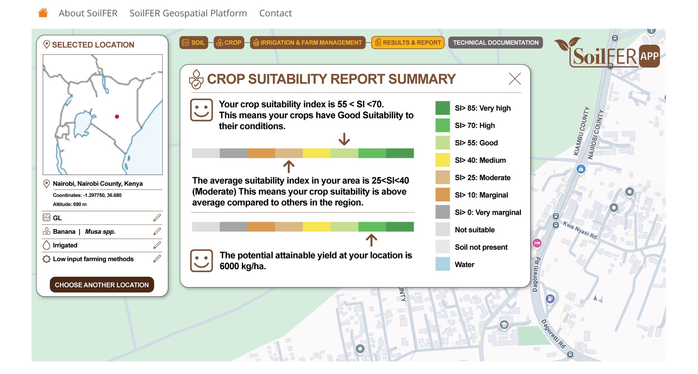

FUNCTION

1
Extract pixel value at selected location using mapset SIS

1
1

2
Calculate average suitability using mapset SIS and level 1 administrative unit
2

3
3
Extract pixel value at selected location using mapset YLS

